Riser
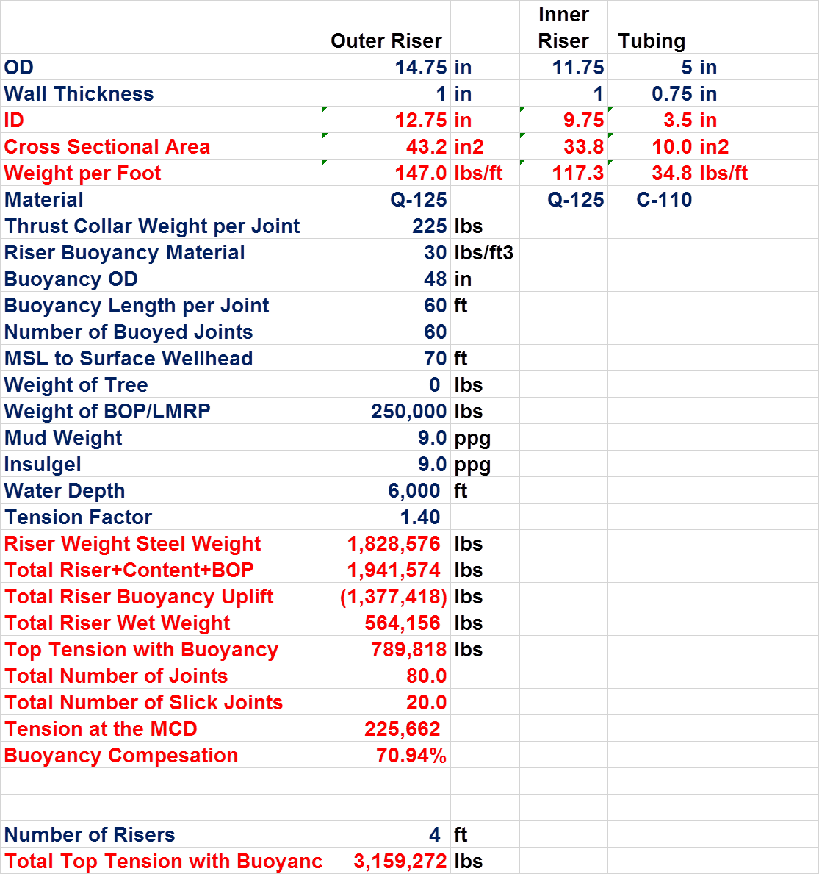
Material Properties
Density | lb/ft^3 | 490 |  |  |  |  |  | Done
 | kg/m^3 | 7786.8840121 |  |  |  |  |  | Done
Material Strength | Ksi | 125 |  |  |  |  |  | Done
 | Mpa | 862.125 |  |  |  |  |  | Done
Sea Water Density | ppg | 8.55 |  |  |  |  |  | Done
 | Kg/m3 | 1025 |  |  |  |  |  | Done
Mud Density | ppg | 9 |  |  |  |  |  | Done
 | Kg/m3 | 1078.9473684 |  |  |  |  |  | Done
Insulgel | ppg | 9 |  |  |  |  |  | Done
 | Kg/m3 | 1078.9473684 |  |  |  |  |  | Done
Riser Buoyancy Material | lb/ft^3 | 30 |  |  |  |  |  | Done
 | kg/m^3 | 476.74800074 |  |  |  |  |  | Done
 |  |  |  |  |  |  |  | Done
Riser joints |  |  |  |  |  |  |  | Done
No of buoyed Joints | - | 60 |  |  |  |  |  | Done
No.of Slick Joints | - | 20 |  |  |  |  |  | Done
Total Joints | - | 80 |  |  |  |  |  | Done
Length of Riser Joint | ft | 75 |  |  |  |  |  | Done
 | m | 22.86 |  |  |  |  |  | Not Matching
Buoyancy Length per joint | ft | 60 |  |  |  |  |  | Not Matching
 | m | 18.288 |  |  |  |  |  | Not Matching
 |  |  |  |  |  |  |  | Not Matching
Water Depth | ft | 6000 |  |  |  |  |  | Not Matching
 | m | 1828.8 |  |  |  |  |  | Matching
MSL to surface Wellhead | ft | 70 |  |  |  |  |  | Matching
 | m | 21.336
Total Riser length (LMRP+BOP+Riser) | ft | 6070
 | m | 1850.136
Heavy Equipment
Weight of Tree | lb | 0
 | kg | 0
 | te | 0
Weight of BOP/LMRP | lb | 250000
 | kg | 113398
 | te | 113.398
Riser Component weight
Weight of Thrust collar per joint | lbs | 225
 | kg | 102.0582
 | te | 0.1020582
Tensioners
Tension Factor | - | 1.4

Outer Riser |  |  | Inner Riser
Outer riser outer diameter | in | 14.75 | Inner riser outer diameter | in | 11.75
 | m | 0.37465 |  | m | 0.29845
Thickness of outer riser | in | 1 | Thickness of inner riser | in | 1
 | m | 0.0254 |  | m | 0.0254
Outer riser inner diameter | in | 12.75 | Inner riser inner diameter | in | 9.75
 | m | 0.32385 |  | m | 0.24765
Cross sectional area of outer riser | in2 | 43.196898987 | Cross sectional area | in2 | 33.772121026
 | m2 | 0.02786891135 |  | m2 | 0.021788421601
Buoyancy outer diameter | in | 48 | Internal Area | in^2 | 74.661912908
 | m | 1.2 |  | m^2 | 0.048168879732
Buoyancy module area | in^2 | 1638.7
 | m^2 | 1.1

Volume of water displaced by buoyancy per joint | ft3 | 754.0
 | m3 | 21.4

Weight per unit length of outer riser | lb/ft | 147.0 | Weight per unit length of inner riser | lb/ft | 114.91902294
 | kg/m | 217.0 |  | kg/m | 169.66391181
 | te/m | 0.2 |  | te/m | 0.16966391181
Weight of outer riser per joint | lb | 11024.2 | Weight of inner riser per joint | lb | 8618.9267202
 | kg | 4960.9 |  | kg | 3878.5170241
 | te | 5.0 |  | te | 3.8785170241
Weight of outer riser per 80 joints | lb | 881936.7 | Weight of inner riser per 80 joints | lb | 689514.13762
 | kg | 396871.5 |  | kg | 310281.36193
 | te | 396.9 |  | te | 310.28136193
Weight of Thrust collar per 80 joints | lbs | 18000.0 | Internal Fluid mass per unit length | lb/ft | 34.92277315
 | kg | 8164.7 |  | kg/m | 51.971686026
 | te | 8.2 |  | te/m | 0.051971686026
Insulgel flow area | in^2 | 19.2 | Internal Fluid mass per 80 Joints | lb | 209536.6389
 | m^2 | 0.0 |  | kg | 95045.819405
Insulgel weight per unit length | lb/ft | 19.8 |  | Te | 95.045819405
 | kg/m | 13.4
 | te/m | 0.0
Insulgel weight per riser joint | lb | 1483.1
 | kg | 1004.6
 | te | 1.0
Insulgel weight per 80 joints | lb | 118651.3
 | kg | 80366.5
 | te | 80.4
Weight of buoyancy module per unit length | lb/ft | 341.4
 | kg/m | 504.0
 | te/m | 0.5
Weight of buoyancy module for 60 joints | lb | 1536266.4
 | kg | 691319.9 | RS Values
 | te | 691.3
Buoyancy for all buoyant joints | lb | 48631.5
 | kg | 21884.2
 | te | 21.9
Buoyancy for all Slick Joints | lb | 183687.2
 | kg | 82659.2
 | te | 82.7
Riser Steel Weight | lb | 1839450.8 | 1828576 | 0.59471551986
 | kg | 715317.5
 | te | 715.3
Weight of Riser+Gel+BOP/LMRP | lb | 1958102.1 | 1941574 | 0.85127397876
 | kg | 909082.0
 | te | 909.1
Buoyancy Offered for total Riser, 60 Joints | lb | 1565308.7 | 1377418 | 13.640790014
 | kg | 704388.9
 | te | 704.4
Riser wet weight | lb | 392793.4 | 564156 | -30.375035054
 | kg | 204693.1 | 255901.2
 | te | 204.7 | 255.9
Top Tension | lb | 549910.8
 | kg | 286570.3
 | te | 286.6

Tension at MCD | lb | 157117.4 | 225662 | -30.374911639
 | kg | 71268.4 | 102360.3
 | te | 71.3 | 102.4
 |  |  |  |  |  | 4 risers | 3159272 | lb
Tension Factor |  | 1.4
Total Tension in support spring | N | 25237265.3 |  |  |  | Per riser | 789818 | lb
 | KN | 25237.3 |  |  |  |  | 358261.4448 | kg
 |  |  |  |  |  |  | 3514544.7735 | N
 |  |  |  |  |  |  | 3514.5447735 | kN
Tensioners
No. of. Tensioners |  | 4.0
Nominal Tension | kN | 6309.3

Tensioner
Modelling |  |  |  | BOP Weight Check
Tensioner End A Z Coordinate |  | 45 | m | Tension below tensioner | 5235 | kN
Tensioner End B Z Coordinate |  | 9.14 | m | BOP/LMRP Weight | -1720.5 | kN
 |  |  |  |  | -175.4 | Te
 |  |  |  |  | -386.6 | kips

Tension | Total Tension | Length | For each Tensioner
 | (kN) | (m) | (kN)

Nominal Tension -2 | 3131.5 | 0.0 | 782.9
Nominal Tension -1 | 3163.1 | 28.8 | 790.8
Nominal Tension | 3514.5 | 35.9 | 878.6
Nominal Tension 1 | 4217.5 | 45.4 | 1054.4
Nominal Tension 2 | 42174.5 | 45.9 | 10543.6

Force vs Displacement

Stroke & Stretch
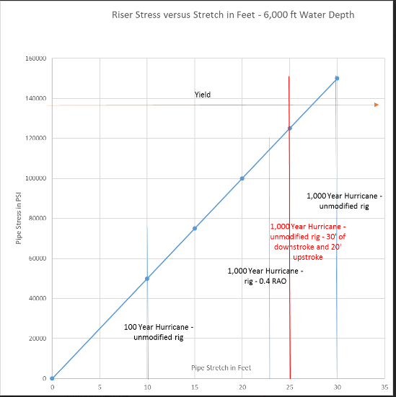
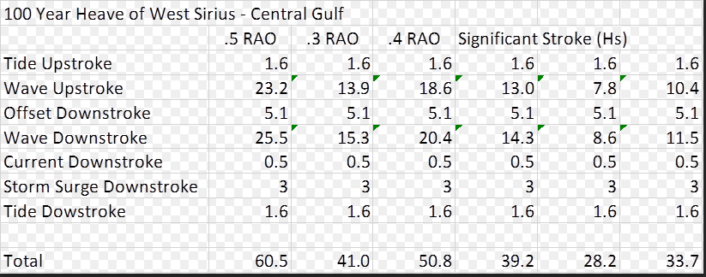

100 Year Heave (ft) of West Sirius- Central Gulf
 | .5 Heave RAO | .4 Heave RAO | .3 Heave RAO | For Riser Analysis
Tide Stroke | 1.6 | 1.6 | 1900-01-01 14:24:00 | Upstroke | 23.2 | ft | 1900-01-07 01:26:10 | m
Wave Upstroke | 23.2 | 18.5 | 13.9 | Downstroke | 31.2 | ft | 1900-01-09 12:13:19 | m
Offset DownStroke | 5.1 | 1900-01-05 02:24:00 | 1900-01-05 02:24:00
Wave DownStroke | 25.5 | 20.4 | 15.3
Current Downstroke | 0.5 | 0.5 | 0.5
Storm Surge Downstroke | 3.0 | 1900-01-03 | 1900-01-03
Tide DownStroke | 1.6 | 1900-01-01 14:24:00 | 1900-01-01 14:24:00

Total | 60.6 | 50.8 | 41.0

1000 year Heave (ft) of West Sirius - Central Gulf
 | .5 Heave RAO | .4 Heave RAO | .3 Heave RAO
Tide Stroke | 1.6 | 1.6 | 1900-01-01 14:24:00
Wave Upstroke | 37.2 | 29.8 | 22.3
Offset DownStroke | 11.4 | 1900-01-05 02:24:00 | 1900-01-05 02:24:00
Wave DownStroke | 37.4 | 30.0 | 22.5
Current Downstroke | 0.5 | 0.5 | 0.5
Storm Surge Downstroke | 3.0 | 1900-01-03 | 1900-01-03
Tide DownStroke | 1.6 | 1900-01-01 14:24:00 | 1900-01-01 14:24:00

Total | 92.8 | 71.6 | 56.6

Stroke-Stretch
Tensioner Stroke and Riser Stretch 14.75" X 11.75" Riser, Elastic & Elastic-Plastic Materials
 | Tensioner Stroke | Riser Stretch | Vessel Heave
0 | 0.00 |  | 0.00
0.1 | -0.04 |  | 0.00
0.2 | -0.08 |  | 0.00
0.3 | -0.11 |  | 0.00
0.4 | -0.14 |  | 0.00
0.5 | -0.17 |  | 0.00
0.6 | -0.20 |  | 0.00
0.7 | -0.22 |  | 0.00
0.8 | -0.24 |  | 0.00
0.9 | -0.26 |  | 0.00
1 | -0.27 |  | 0.00
1.1 | -0.28 |  | 0.00
1.2 | -0.29 |  | 0.00
1.3 | -0.30 |  | 0.00
1.4 | -0.30 |  | 0.00
1.5 | -0.30 |  | 0.00
1.6 | -0.30 |  | 0.00
1.7 | -0.30 |  | 0.00
1.8 | -0.29 |  | 0.00
1.9 | -0.28 |  | 0.00
2 | -0.27 |  | 0.00
2.1 | -0.26 |  | 0.00
2.2 | -0.25 |  | 0.00
2.3 | -0.23 |  | 0.00
2.4 | -0.22 |  | 0.00
2.5 | -0.20 |  | 0.00
2.6 | -0.19 |  | 0.00
2.7 | -0.17 |  | 0.00
2.8 | -0.16 |  | 0.00
2.9 | -0.15 |  | 0.00
3 | -0.13 |  | 0.00
3.1 | -0.12 |  | 0.00
3.2 | -0.11 |  | 0.00
3.3 | -0.10 |  | 0.00
3.4 | -0.10 |  | 0.00
3.5 | -0.09 |  | 0.00
3.6 | -0.09 |  | 0.00
3.7 | -0.10 |  | 0.00
3.8 | -0.10 |  | 0.00
3.9 | -0.11 |  | 0.00
4 | -0.12 |  | 0.00
4.1 | -0.13 |  | 0.00
4.2 | -0.15 |  | 0.00
4.3 | -0.17 |  | 0.00
4.4 | -0.19 |  | 0.00
4.5 | -0.22 |  | 0.00
4.6 | -0.24 |  | 0.00
4.7 | -0.27 |  | 0.00
4.8 | -0.30 |  | 0.00
4.9 | -0.34 |  | 0.00
...

Tension-Stress
Stress Response of Riser 14.75" X 11.75" Riser, Elastic & Elastic-Plastic Materials
 | Stress (Elastic) | Stress (Elastic-Plastic) | Tension
0 | 10.9 | 10.9 | 569.1
0.1 | 10.7 | 10.7 | 568.9
0.2 | 10.6 | 10.6 | 568.6
0.3 | 10.5 | 10.5 | 568.4
0.4 | 10.5 | 10.5 | 568.2
0.5 | 10.5 | 10.5 | 568.0
0.6 | 10.6 | 10.6 | 567.8
0.7 | 10.7 | 10.7 | 567.7
0.8 | 10.9 | 10.9 | 567.6
0.9 | 11.2 | 11.2 | 567.5
1 | 11.5 | 11.5 | 567.4
1.1 | 11.9 | 11.9 | 567.4
1.2 | 12.3 | 12.3 | 567.3
1.3 | 12.7 | 12.7 | 567.3
1.4 | 13.2 | 13.2 | 567.3
1.5 | 13.7 | 13.7 | 567.2
1.6 | 14.2 | 14.2 | 567.2
1.7 | 14.8 | 14.8 | 567.1
1.8 | 15.3 | 15.3 | 567.0
1.9 | 15.9 | 15.9 | 567.0
2 | 16.5 | 16.5 | 566.8
2.1 | 17.1 | 17.1 | 566.7
2.2 | 17.7 | 17.7 | 566.6
2.3 | 18.3 | 18.3 | 566.4
2.4 | 18.9 | 18.9 | 566.2
2.5 | 19.4 | 19.4 | 565.9
2.6 | 19.9 | 19.9 | 565.7
2.7 | 20.4 | 20.4 | 565.4
2.8 | 20.9 | 20.9 | 565.1
2.9 | 21.4 | 21.4 | 564.8
3 | 21.8 | 21.8 | 564.5
3.1 | 22.1 | 22.1 | 564.3
3.2 | 22.4 | 22.4 | 564.0
3.3 | 22.7 | 22.7 | 563.7
3.4 | 22.9 | 22.9 | 563.5
3.5 | 23.1 | 23.1 | 563.2
3.6 | 23.2 | 23.2 | 563.0
3.7 | 23.3 | 23.3 | 562.9
3.8 | 23.3 | 23.3 | 562.7
3.9 | 23.3 | 23.3 | 562.6
4 | 23.2 | 23.2 | 562.5
4.1 | 23.1 | 23.1 | 562.4
4.2 | 22.9 | 22.9 | 562.4
4.3 | 22.6 | 22.6 | 562.4
4.4 | 22.4 | 22.4 | 562.4
4.5 | 22.0 | 22.0 | 562.4
4.6 | 21.7 | 21.7 | 562.5
4.7 | 21.3 | 21.3 | 562.5
4.8 | 20.9 | 20.9 | 562.6
4.9 | 20.4 | 20.4 | 562.6
...

Tension-Strain
Strain Response of Riser 14.75" X 11.75" Riser, Elastic & Elastic-Plastic Materials
 | Strain (Elastic) | Strain (Elastic-Plastic) | Tension
0 | 0.04 | 0.035499295087 | 569.1
0.1 | 0.03 | 0.034905002609 | 568.9
0.2 | 0.03 | 0.034461983478 | 568.6
0.3 | 0.03 | 0.034185408282 | 568.4
0.4 | 0.03 | 0.034086483903 | 568.2
0.5 | 0.03 | 0.03417880677 | 568.0
0.6 | 0.03 | 0.034462402924 | 567.8
0.7 | 0.03 | 0.034933333713 | 567.7
0.8 | 0.04 | 0.03558680358 | 567.6
0.9 | 0.04 | 0.03641476999 | 567.5
1 | 0.04 | 0.037405325921 | 567.4
1.1 | 0.04 | 0.038554342956 | 567.4
1.2 | 0.04 | 0.039844317518 | 567.3
1.3 | 0.04 | 0.041265545034 | 567.3
1.4 | 0.04 | 0.042806832963 | 567.3
1.5 | 0.04 | 0.044452155535 | 567.2
1.6 | 0.05 | 0.046185477203 | 567.2
1.7 | 0.05 | 0.047995445658 | 567.1
1.8 | 0.05 | 0.049859699117 | 567.0
1.9 | 0.05 | 0.051765358154 | 567.0
2 | 0.05 | 0.053696284645 | 566.8
2.1 | 0.06 | 0.055633310337 | 566.7
2.2 | 0.06 | 0.057560431857 | 566.6
2.3 | 0.06 | 0.059463256236 | 566.4
2.4 | 0.06 | 0.06132104318 | 566.2
2.5 | 0.06 | 0.06312411102 | 565.9
2.6 | 0.06 | 0.064854861968 | 565.7
2.7 | 0.07 | 0.066495878053 | 565.4
2.8 | 0.07 | 0.068042159731 | 565.1
2.9 | 0.07 | 0.069473221305 | 564.8
3 | 0.07 | 0.070784210524 | 564.5
3.1 | 0.07 | 0.071960863453 | 564.3
3.2 | 0.07 | 0.072993688152 | 564.0
3.3 | 0.07 | 0.073874734037 | 563.7
3.4 | 0.07 | 0.074599305747 | 563.5
3.5 | 0.08 | 0.075162581967 | 563.2
3.6 | 0.08 | 0.075559910289 | 563.0
3.7 | 0.08 | 0.075785024713 | 562.9
3.8 | 0.08 | 0.075841048855 | 562.7
3.9 | 0.08 | 0.075731225882 | 562.6
4 | 0.08 | 0.075450911815 | 562.5
4.1 | 0.08 | 0.075007953536 | 562.4
4.2 | 0.07 | 0.074404110722 | 562.4
4.3 | 0.07 | 0.073650404897 | 562.4
4.4 | 0.07 | 0.072748596231 | 562.4
4.5 | 0.07 | 0.071711344788 | 562.4
4.6 | 0.07 | 0.070546728126 | 562.5
4.7 | 0.07 | 0.069264297813 | 562.5
4.8 | 0.07 | 0.067878371633 | 562.6
4.9 | 0.07 | 0.066397006532 | 562.6
...

ET_Chart
Production Riser, Effective Tension vs ArcLength
 | EL |  | RO
0 | 0 | 0 | 0
-26.668823118 | 1.2 | -26.668711127 | 1.2
-64.872432168 | 3.3 | -64.872158412 | 3.3
-87.946925421 | 5.1 | -87.946552117 | 5.1
-100.57861453 | 6.9997084548 | -100.57822256 | 6.9997084548
7840.9539055 | 8.9991253644 | 7840.9539055 | 8.9991253644
7839.4383919 | 10.998542274 | 7839.4383919 | 10.998542274
7837.9149146 | 12.997959184 | 7837.9149146 | 12.997959184
7836.3906409 | 14.997376093 | 7836.3906409 | 14.997376093
7834.8663672 | 16.996793003 | 7834.8663672 | 16.996793003
7833.3420935 | 18.996209913 | 7833.3420935 | 18.996209913
7831.8178198 | 20.995626822 | 7831.8178198 | 20.995626822
7830.2935461 | 22.995043732 | 7830.2935461 | 22.995043732
7828.7692724 | 24.994460641 | 7828.7692724 | 24.994460641
7827.5635512 | 26.993877551 | 7827.5635512 | 26.993877551
7827.5977956 | 28.993294461 | 7827.5977956 | 28.993294461
7827.6312436 | 30.99271137 | 7827.6312436 | 30.99271137
7827.665488 | 32.99212828 | 7827.665488 | 32.99212828
7827.698936 | 34.99154519 | 7827.698936 | 34.99154519
7827.7331804 | 36.990962099 | 7827.732384 | 36.990962099
7827.7666284 | 38.990379009 | 7827.7666284 | 38.990379009
7827.8000765 | 40.989795918 | 7827.8000765 | 40.989795918
7827.8343208 | 42.989212828 | 7827.8343208 | 42.989212828
7827.8677689 | 44.988629738 | 7827.8677689 | 44.988629738
7827.9012169 | 46.988046647 | 7827.9012169 | 46.988046647
7827.9354613 | 48.987463557 | 7827.9354613 | 48.987463557
7827.9689093 | 50.986880466 | 7827.9689093 | 50.986880466
7828.0023573 | 52.986297376 | 7828.0023573 | 52.986297376
7828.0358053 | 54.985714286 | 7828.0358053 | 54.985714286
7828.0700497 | 56.985131195 | 7828.0700497 | 56.985131195
7828.1034977 | 58.984548105 | 7828.1034977 | 58.984548105
7828.1369457 | 60.983965015 | 7828.1369457 | 60.983965015
7828.1703937 | 62.983381924 | 7828.1703937 | 62.983381924
7828.2038417 | 64.982798834 | 7828.2038417 | 64.982798834
7828.2372898 | 66.982215743 | 7828.2372898 | 66.982215743
7828.2707378 | 68.981632653 | 7828.2707378 | 68.981632653
7828.3049822 | 70.981049563 | 7828.3049822 | 70.981049563
7828.3384302 | 72.980466472 | 7828.3384302 | 72.980466472
7828.3718782 | 74.979883382 | 7828.3718782 | 74.979883382
7828.4053262 | 76.979300292 | 7828.4053262 | 76.979300292
7828.4387742 | 78.978717201 | 7828.4387742 | 78.978717201
7828.4722222 | 80.978134111 | 7828.4722222 | 80.978134111
7828.5056702 | 82.97755102 | 7828.5056702 | 82.97755102
7828.5383219 | 84.97696793 | 7828.5383219 | 84.97696793
7828.5717699 | 86.97638484 | 7828.5717699 | 86.97638484
7828.6052179 | 88.975801749 | 7828.6052179 | 88.975801749
7828.6386659 | 90.975218659 | 7828.6386659 | 90.975218659
7828.6721139 | 92.974635569 | 7828.6721139 | 92.974635569
7828.7055619 | 94.974052478 | 7828.7055619 | 94.974052478
7828.7390099 | 96.973469388 | 7828.7390099 | 96.973469388
...

VM_Chart
Production Riser, VM Stress vs ArcLength

